Admission guide
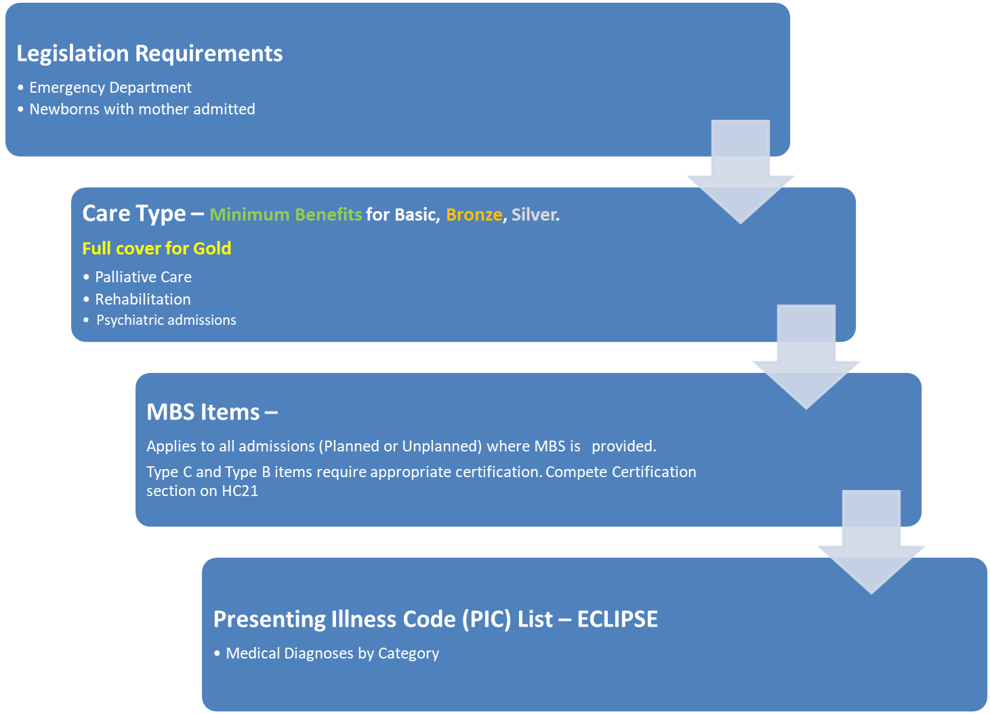
Admission guide - Based on admission type

